Sheet1
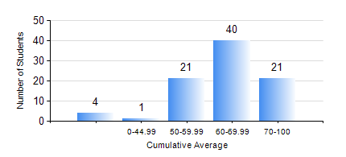
 |  |  | KWAME NKRUMAH UNIVERSITY OF SCIENCE AND TECHNOLOGY, KUMASI Department of Computer Engineering

 |  |  | BSC. BIOMEDICAL ENG.

 |  |  | COMPREHENSIVE RECORD OF EXAMINATION RESULTS

 |  |  | RESULTS OF YEAR 3 FIRST SEMESTER, 2024/2025 ACADEMIC YEAR

 | Sn | Course Code |  | Course Name | Credit Hours | Min. Mark | Max. Mark | Avg. Mark | Std. Dev. | No. Passed | No. Trailed | No. (Df) | No. (I) | No. (I*) | No. Tagged(I,I*,Df) | Total
 | 0. |  |  |  |  |  |  | 0 | 0 | 0 | 0 | 0 | 0 | 0 | 0 | 2
 | 1. | BME 397 |  | RESEARCH METHODS | 3 | 40 | 92 | 70 | 10.62 | 85 | 0 | 0 | 0 | 0 | 0 | 85
 | 2. | COE 371 |  | LINEAR ELECTRONIC CIRCUITS | 3 | 40 | 98 | 66 | 14.16 | 85 | 0 | 0 | 0 | 0 | 0 | 85
 | 3. | COE 381 |  | MICROPROCESSORS | 3 | 29 | 87 | 64 | 10.9 | 83 | 2 | 0 | 0 | 0 | 0 | 85
 | 4. | MATH 351 |  | NUMERICAL METHODS | 2 | 0 | 90 | 60 | 12.48 | 84 | 1 | 0 | 0 | 0 | 0 | 85
 | 5. | STAT 253 |  | PROBABILITY AND STATISTICS | 2 | 40 | 96 | 68 | 14.75 | 85 | 0 | 0 | 0 | 0 | 0 | 85
 | 6. | TE 385 |  | SIGNALS AND SYSTEMS | 3 | 17 | 91 | 65 | 15.33 | 81 | 4 | 0 | 0 | 0 | 0 | 85

